Sheet1
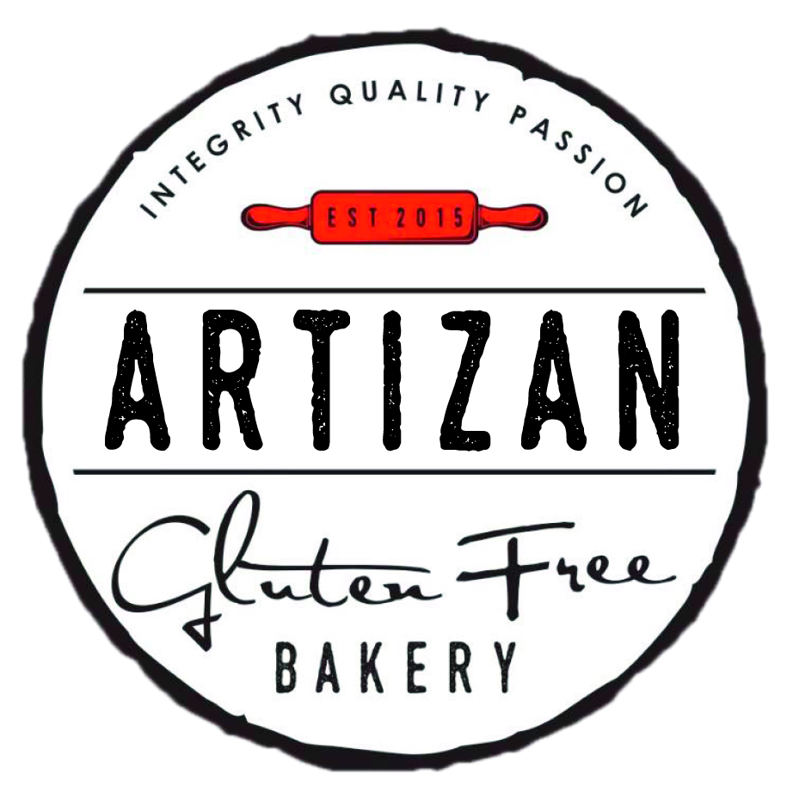
 | ORDER FORM |  |  |  |  | Comments:

 | Order Date:

 | Name:
 | Contact No:
 | Pick Up Date:

PH: (07) 4927 2449 | 159 East Street Rockhampton CBD |  |  |  |  | admin@artisanglutenfreebakery.com.au
Bread Products | SRP | Qty | Amt | Slices/Pastries/Muffins/Cupcakes | SRP | Qty | Amt | Pies | SRP | Qty | Amt
White Bread LF DF | $9.80 |  | $0.00 | Vanilla Custard EF YF | $7.95 |  | $0.00 | Plain Pie LF DF YF | $7.50 |  | $0.00
Artizan Seeded Bread LF DF | $12.95 |  | $0.00 | Choc Caramel Brownie YF | $7.95 |  | $0.00 | Cheese & Bacon Pie YF | $7.95 |  | $0.00
Dark Continental Bread (Min 2) VG YF DF LF EF | $14.50 |  | $0.00 | Custard Cream Éclair YF | $7.95 |  | $0.00 | Curry Pie LF DF YF | $7.50 |  | $0.00
Vegan Fruit Loaf VG YF DF LF EF | $15.50 |  | $0.00 | Cream Éclair YF | $7.95 |  | $0.00 | Potato Pie LF DF YF | $7.95 |  | $0.00
Sultana Bread LF DF | $14.50 |  | $0.00 | Small Caramel Tartlet YF | $6.25 |  | $0.00 | Pepper Pie LF DF YF | $7.50 |  | $0.00
Banana Bread LF DF | $14.95 |  | $0.00 | Apple Strudel LF DF EF YF | $7.95 |  | $0.00 | Artizan Vegan Pie | $8.95 |  | $0.00
Cheese & Bacon Scroll (4pk) | $15.00 |  | $0.00 | Apple Turnover LF DF YF | $7.95 |  | $0.00 | Family Plain Meat Pie LF DF YF | $28.95 |  | $0.00
Plain French Stick LF DF | $7.95 |  | $0.00 | Regular Apple Pie LF DF YF | $7.95 |  | $0.00 | Family Plain Chicken Pie LF DF YF | $28.95 |  | $0.00
Herb & Garlic French Stick LF DF | $7.95 |  | $0.00 | Family Apple Pie LF DF YF | $27.00 |  | $0.00
Burger Buns 5"(4pk) LF DF | $13.50 |  | $0.00 | Cinnamon Donuts (Pack of 6) LF DF YF | $13.50 |  | $0.00
Pizza Bases 10" (2pk) DF LF | $10.50 |  | $0.00 | Raspberry Coconut (Min 4) YF | $6.95 |  | $0.00
Cob Loaf DF LF | $10.50 |  | $0.00 | Choc Cherry Slice (Min 4) YF | $7.45 |  | $0.00 | Sausage Rolls | SRP | Qty | Amt
 |  |  |  | Choc Chip Muffin YF | $5.95 |  | $0.00 | Plain Sausage Roll LF DF YF | $6.95 |  | $0.00
 |  |  |  | Double Choc Chip Muffin YF | $5.95 |  | $0.00 | Cheese & Bacon Sausage Roll YF | $7.50 |  | $0.00
Bar Cakes | SRP | Qty | Amt | Apple/Cinn Muffin LF DF YF | $5.95 |  | $0.00 | Spinach & Ricotta Sausage Roll YF | $7.95 |  | $0.00
Chocolate Mud Cake YF | $15.95 |  | $0.00 | Orange & Poppy Seed Muffin LF DF YF | $5.95 |  | $0.00
Carrot Cake YF CONTAINS NUTS | $15.95 |  | $0.00 | Iced Patty Cake LF DF YF | $5.95 |  | $0.00 | Quiche | SRP | Qty | Amt
Rainbow Cake LF DF YF | $14.95 |  | $0.00 | Butterfly Cake LF DF YF | $5.95 |  | $0.00 | Vegetarian Quiche YF | $8.95 |  | $0.00
Choc Lamington Cake LF DF YF | $14.95 |  | $0.00 | Peach Blossom LF DF YF | $5.95 |  | $0.00
Straw Lamington Cake LF DF YF | $14.95 |  | $0.00 | Choc Lamington LF DF YF | $5.95 |  | $0.00
Jam/Cream Sponge Roll LF DF YF | $14.95 |  | $0.00 | Strawberry Lamington LF DF YF | $5.95 |  | $0.00
Honey Sponge Roll LF DF YF | $14.95 |  | $0.00
Chocolate Sponge Roll LF DF YF | $14.95 |  | $0.00
Butterscotch Sponge Roll LF DF YF | $14.95 |  | $0.00
Orange & Poppy Seed Roll LF DF YF | $14.95 |  | $0.00
 |  |  |  |  |  |  |  | TOTAL: |  |  | $0.00

Biscuits | SRP | Qty | Amt
Monte Carlo Biscuit LF DF YF | $4.50 |  | $0.00 |  |  |  |  | Payment Details
Tart Shells (8.5") LF DF YF | $8.75 |  | $0.00 |  |  |  |  | Credit Card No:
 |  |  |  |  |  |  |  | Expiry:
 |  |  |  |  |  |  |  | CVV:



LF - LACTOSE FREE
EF - EGG FREE |  |  | www.artizanglutenfreebakery.com.au
VG - VEGAN
YF - YEAST FREE |  |  | EVERYBODYS BAKERY |  |  |  |  |  |  |  | V7

